Sheet5
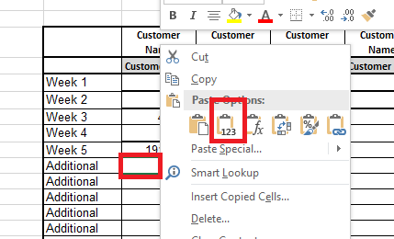

Note: | Copy the Amount, Right Click and selete value(123)

